Dashboard
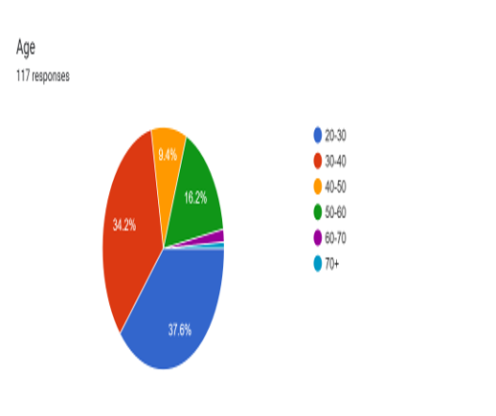
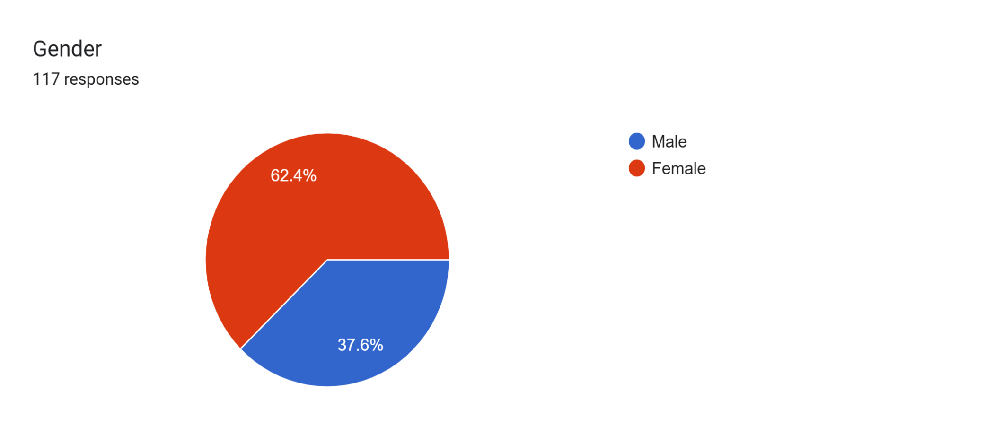
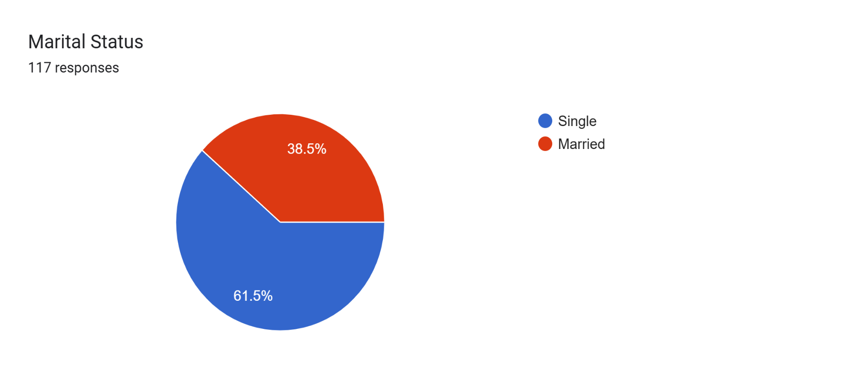
PALACE PROFESSIONAL NETWORK - PROFESSIONAL GROUPS BIODATA DASHBOARD
Members who selected multiple professional groups are shown in each applicable group tab.

TOTAL MEMBERS |  | PROFESSIONAL GROUPS | MULTI-GROUP MEMBERS
117 |  | 12 | 27

Members by Professional Group
Professional Group | Members | Open Tab
Accountants and Financial Professionals (Bankers, tellers, insurance, investment, tax officers,etc) | 21 | Open group
Engineers and Architects | 7 | Open group
Lawyers and Legal Professionals (paralegals, legal clerks, administrative officers etc.) | 3 | Open group
Teachers and Educators | 11 | Open group
Non-Governmental Organisation Professionals (Project Officers, Consultants, etc) | 7 | Open group
ICT and Technology Professionals | 9 | Open group
Service Professionals (Military, Police, Immigration, Navy, Fire Service and Customer Officers) | 1 | Open group
Healthcare Professionals | 13 | Open group
Media and Communication Professionals | 4 | Open group
Administrative Professionals (procurement officers, supply chain, logistics, secretaries, marketers,etc) | 14 | Open group
Hospitality Professionals | 1 | Open group
Businessmen and Women (Artisans & Vendors) | 49 | Open group

BIODATA CHARTS

